Sheet1
Index | Analog | Smiles | Num Rings | Num Rotatable Bonds | Num Lipinski HB Donor | Num Lipinski HB Acceptor | Mol Wt | LogP | Topological Polar SA | Synthetic Accessibility | Plasma Protein Binding 75%+ | Blood Brain Barrier | Human Intestinal Absorption | Caco-2 Permeability (logPapp) | BCRP Inhibitor | OCT2 inhibitor | Pgp Inhibitors | Block Bile Salt Export Pump | Inhibitors of Cytochrome P450 1A2 | Inhibitors of Cytochrome P450 2C19 | Inhibitors/Substrates of Cytochrome P450 2C9 | Inhibitors/Substrates of Cytochrome P450 3A4 | Activators of Cytochrome P450 3A4 | Inhibitors/Substrates of Cytochrome P450 2D6 | Substrates of Cytochrome P450 2C19 | Activators of Cytochrome P450 2A9 | Acute Oral Toxicity (Mouse, LD50 < 300mg/kg) | Acute Oral Toxicity (Mouse, LD50 < 50mg/kg) | Acute Oral Toxicity (Mouse, LD50 < 5mg/kg) | Acute Oral Toxicity (Rat, LD50 < 300mg/kg) | Acute Oral Toxicity (Rat, LD50 < 50mg/kg) | Acute Oral Toxicity (Rat, LD50 < 5mg/kg) | Activator Alzheimer's amyloid precursor | myocardial damage | Mutagenicity | Induce Phospholipidosis | Carcinogenic Potency (Salmonella Mutagenicity) | Carcinogenic Potency (Mouse) | Cytotoxicity in HEK293 cells - 32 hour | Cytotoxicity in HepG2 cells - 32 hour | Induce genotoxicity in human embryonic kidney cells | Activators of the human pregnane X receptor (PXR) signaling pathway | Differential cytotoxicity (isogenic chicken DT40 cell lines) | Drug Induced Liver Injury | Eye Corrosion | Eye Irritation | Fish Tox (high risk) | hERG Blockers | Mitochondrial Toxicity | Skin Sensitization
000 | 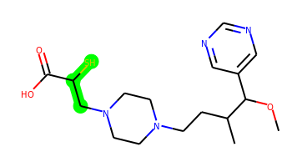 | COC(c1cncnc1)C(C)CCN1CCN(CC(S)C(=O)O)CC1 | 2 | 9 | 1 | 7 | 368.188 | 1.191 | 78.79 | 3.892 | No | No | Yes | -4.928 | No | Yes | No | No | No | No | No | No | No | No | No | No | No | No | No | No | No | No | No | No | No | No | No | No | No | No | No | Yes | No | Yes | No | No | No | No | No | No
001 | 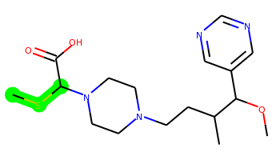 | COC(c1cncnc1)C(C)CCN1CCN(C(SC)C(=O)O)CC1 | 2 | 9 | 1 | 7 | 368.188 | 1.582 | 78.79 | 4.013 | No | No | No | -4.802 | No | Yes | No | No | No | No | No | No | No | No | No | No | No | No | No | No | No | No | No | No | No | No | No | No | No | No | No | Yes | No | Yes | No | No | No | No | No | No
002 | 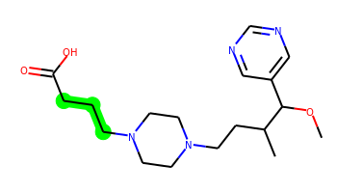 | COC(c1cncnc1)C(C)CCN1CCN(CCCC(=O)O)CC1 | 2 | 10 | 1 | 7 | 350.232 | 1.673 | 78.79 | 3.306 | No | Yes | Yes | -4.864 | No | Yes | No | No | No | No | No | No | No | No | No | No | No | No | No | No | No | No | No | No | No | No | No | No | No | No | No | Yes | Yes | No | No | No | No | No | No | No
003 | 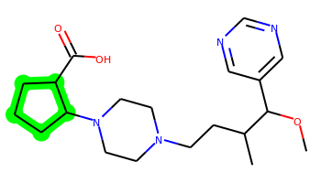 | COC(c1cncnc1)C(C)CCN1CCN(C2CCCC2C(=O)O)CC1 | 3 | 8 | 1 | 7 | 376.247 | 2.061 | 78.79 | 3.867 | Yes | Yes | Yes | -5.107 | No | Yes | No | Yes | No | No | No | No | No | No | No | No | No | No | No | No | No | No | No | No | No | No | No | No | No | No | No | Yes | No | No | No | No | Yes | No | No | No
004 | 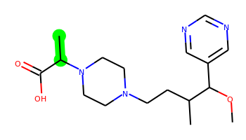 | COC(c1cncnc1)C(C)CCN1CCN(C(C)C(=O)O)CC1 | 2 | 8 | 1 | 7 | 336.216 | 1.281 | 78.79 | 3.577 | No | Yes | Yes | -4.838 | No | No | No | No | No | No | No | No | No | No | No | No | No | No | No | No | No | No | No | No | No | No | No | No | No | No | No | Yes | No | No | No | No | No | No | No | No
005 | 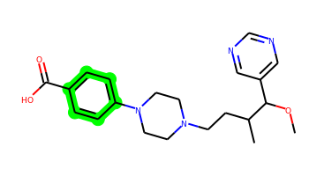 | COC(c1cncnc1)C(C)CCN1CCN(c2ccc(C(=O)O)cc2)CC1 | 3 | 8 | 1 | 7 | 384.216 | 2.711 | 78.79 | 3.198 | Yes | Yes | Yes | -5.076 | No | Yes | No | Yes | No | No | No | Yes | No | No | No | No | No | No | No | No | No | No | No | No | No | Yes | No | No | No | No | No | Yes | Yes | Yes | No | No | Yes | No | No | No
006 | 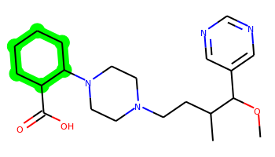 | COC(c1cncnc1)C(C)CCN1CCN(C2CCCCC2C(=O)O)CC1 | 3 | 8 | 1 | 7 | 390.263 | 2.451 | 78.79 | 3.842 | Yes | Yes | Yes | -5.085 | No | No | No | Yes | No | No | No | No | No | No | No | No | No | No | No | No | No | No | No | No | No | No | No | No | No | No | No | Yes | No | No | No | No | Yes | No | No | No
007 | 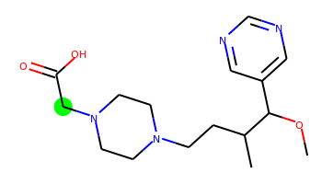 | COC(c1cncnc1)C(C)CCN1CCN(CC(=O)O)CC1 | 2 | 8 | 1 | 7 | 322.2 | 0.893 | 78.79 | 3.322 | No | Yes | Yes | -4.904 | No | No | No | No | No | No | No | No | No | No | No | No | No | No | No | No | No | No | No | No | No | No | No | No | No | No | No | Yes | No | Yes | No | No | No | No | No | No

